Order Sheet
 | Succulents - Rack Form
 | Main Office: |  |  | Succulent Greenhouse:
 | PO Box 187, Greenback TN 37742 |  |  | 736 Alcoa Trail, Maryville TN 37804
 | Tel: (865) 856-8099 ext. 1 |  |  | Tel: (865) 856-8099 ext. 5 Fax (865) 982-7887
 | Website: www.popesplantfarm.com |  |  | Email: succulents@popesplantfarm.com
Email orders to succulents@popesplantfarm.com Contacts - Office - Claudia Sebring - claudia@popesplantfarm.com / Sales - Sara Melton - smelton@popesplantfarm.com
Company Name |  |  | Shipping Address
 |  | Street
Order Placed By |  | City
 |  | State |  | Zip
Order Date | Ship Date | Phone Number
 |  | Email
Minimum Order $1000.00. Orders will always ship on a Monday. FOB Maryville, TN. (ND) - no drainage hole
This availability is for orders shipping Monday, March 23rd. Orders must be in by 5pm Eastern, Thursday, March 12th.
Customers must be able to accept a semi and have a forklift to unload at time of delivery. Visible damage to racks or boxes must be noted with driver at time of delivery. Claims must be reported within 48 hours of receiving shipment.
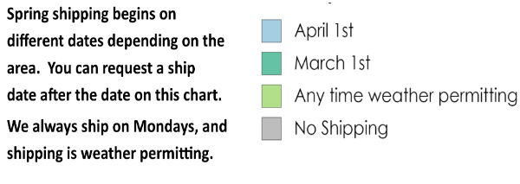 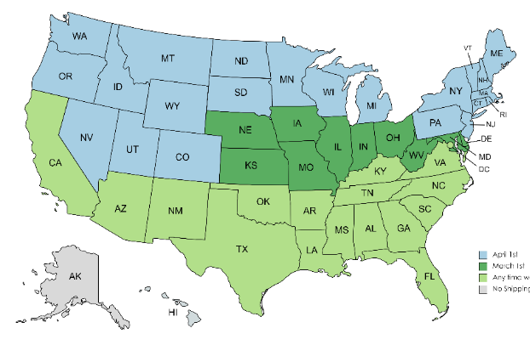
Pre-Set Full Racks - These options are for full racks only. No substitutions. Create a custom rack in the next section.
Item | Item # | Picture |  | Pieces Per Rack | Rack Price | Racks Ordered
Full Racks
Pope's Succulent Rack #1 2" Mini Succulents Assorted - 384 ($1.75 each) 3.5" Succulents Assorted - 144 ($2.95 each) | R1-5SHELF | 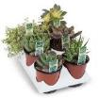 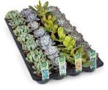 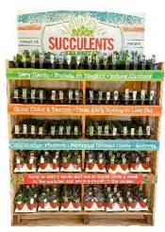 |  | 528 | $1,096.80
Pope's Succulent Rack #2 2" Mini Succulents Assorted - 256 ($1.75 each) 3.5" Succulents Assorted - 72 ($2.95 each) 4" Clay Combo - 32 ($6.00 each) 6" Clay Combo - 24 ($8.50 each) | R2-5SHELF | 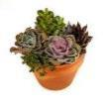 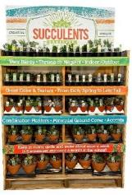 |  | 384 | $1,056.40
Pope's Savannah Rack 2" Mini Succulents Assorted - 256 ($1.75 each) 3.5" Succulents Assorted - 72 ($2.95 each) 4" Succulent Combo - 56 ($4.95 each) 8" Savannah Combo - 14 ($11.50 each) | PPFRSA26 |  |  | 398 | $1,098.60
Pope's Groovy Rack Ceramic Frog 6" - 12 ($13.95 each) Ceramic Mouse 5" - 4 ($11.95 each) Ceramic Snail 6" - 4 ($11.95 each) Ceramic Turtle 6" - 4 ($11.95 each) Boho Blossom 3.5" - 18 ($5.50 each) Metro Glaze 3" - 18 ($4.75 each) VW Bus - 10 ($13.95 each) Teardrop Hanging Planter 4.5" - 12 ($9.95 each) Ceramic Groove 4.5" - 16 ($8.50 each) Impressionis Bowl 5.5" - 12 ($9.95 each) Southwest Color Block 4.5" - 16 ($8.95 each) Bicolor Clay 4.5" - 16 ($9.95 each) White Oval 9" - 8 ($15.00 each) | PPFRGR26 |  |  | 150 | $1,432.00
 |  |  |  |  | Total Racks Ordered | 0
 |  | Use this section to create a custom rack.
Each rack has 5 shelves. * Choose 10 of the half shelf options below to fill one rack. * Racks Must Ship Full.
Item | Item # | Picture | Cost Each | # per half shelf | $ per half shelf | 1/2 Shelf Ordered
New Items Available Spring 2026 (March 1)
Boho Blossom 3.5" | 92753-HS |  | $5.50 | 36 | $198.00
Boho Glaze Combo Half Shelf 18 Boho Blossom & 18 Metro Glaze | 92770-HS |  | 18 - $5.50 18 - $4.75 | 36 pieces | $184.50
Ceramic Frog 6" | 92761-HS |  | $13.95 | 12 | $167.40
Ceramic Groove 4.25" | 92754-HS |  | $8.50 | 16 | $136.00
Ceramic Mouse 5" | 92759-HS |  | $11.95 | 12 | $143.40
Ceramic Snail 6" | 92758-HS |  | $11.95 | 12 | $143.40
Ceramic Turtle 6" | 92760-HS |  | $11.95 | 12 | $143.40
6" Ceramic Animals Combo Half Shelf - 4 each Mouse, Snail, & Turtle | 92768-HS |  | $11.95 | 12 pieces | $143.40
Clay Bowl 7.5" | 92762-HS |  | $11.00 | 9 | $99.00
Etched Clay 4.5" | 92757-HS |  | $8.95 | 16 | $143.20
Impressionist Bowl 5.5" | 92755-HS |  | $9.95 | 12 | $119.40
Metro Glaze 3" | 92752-HS |  | $4.75 | 36 | $171.00
Southwest Color Block 4.5 inch | 92756-HS |  | $8.95 | 16 | $143.20
Tuscan Pot 4.3" | 92763-HS |  | $7.50 | 16 | $120.00
Tuscan Ridged 4.3" | 92764-HS |  | $7.50 | 16 | $120.00
Tuscan Square 4.3" | 92765-HS |  | $8.50 | 16 | $136.00
Tuscan Combo Half Shelf 4 each Tuscan Pot & Tuscan Ridged, 8 Tuscan Square | 92769-HS |  | 8 - $7.50 8 - $8.50 | 16 pieces | $128.00
VW Bus 7.5" x 4" | 92766-HS |  | $13.95 | 10 | $139.50
Boho / VW Bus Combo Half Shelf 18 Boho Blossom & 5 VW Bus | 92786-HS |  | 18 - $5.50 5 - $13.95 | 23 pieces | $168.75
Standard Items
2" Mini Succulent (shipped as 2 flats of 32) - Assorted varieties. | 91089-HS |  | $1.75 | 64 | $112.00
2" Mini Succulent (shipped as 1 flat of 32) - Assorted Crassula Only (Jade family) Pictures are examples only. Individual varieties will vary. Same UPC as regular assorted 2". | 91089C-HS | 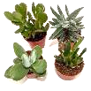 | $1.75 | 64 | $112.00
2" Mini Succulent (shipped as 1 flat of 32) - Assorted Echeveria Only Pictures are examples only. Individual varieties will vary. Same UPC as regular assorted 2". | 91089E-HS | 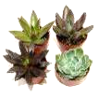 | $1.75 | 64 | $112.00
2" Mini Succulent (shipped as 1 flat of 32) - Assorted Haworthia Only Pictures are examples only. Individual varieties will vary. Same UPC as regular assorted 2". | 91089H-HS | 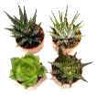 | $1.75 | 64 | $112.00
2" Mini Succulent (shipped as 1 flat of 32) - Assorted Sedums Only - Includes hardy and tropical varieties Pictures are examples only. Individual varieties will vary. Same UPC as regular assorted 2". | 91089S-HS |  | $1.75 | 64 | $112.00
2" Mini Succulent (shipped as 1 flat of 32) - Assorted Strings and Trailers Only - Includes hardy and tropical varieties Pictures are examples only. Individual varieties will vary. Same UPC as regular assorted 2". | 91089ST-HS | 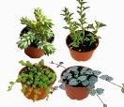 | $1.75 | 64 | $112.00
3.5" Succulent (shipped as 6 flats of 6) | 68586-HS |  | $2.95 | 36 | $106.20
3.5" Asssorted Succulent Deco Pot | 92584-HS |  | $5.50 | 25 | $137.50
4" Succulent Combo (in grower pot) | 92667-HS |  | $4.95 | 28 | $138.60
6" Succulent (shipped as 2 flats of 6) ***the assortment in the flat will vary*** | 70154-HS |  | $5.50 | 12 | $66.00
Succulent Plug Tray (50 plugs per tray) | 91506-HS |  | $60.00 | 2 | $120.00
Clay Combo 4" | 70162-HS |  | $6.00 | 16 | $96.00
Clay Combo 6" | 70155-HS |  | $8.50 | 12 | $102.00
10" Corinthian Trough - 10"L x 3.5" H x 3.5" W | 91484-HS |  | $11.50 | 12 | $138.00
18" Corinthian Trough - 18"L x 5"H x 5"W | 91502-HS |  | $21.00 | 4 | $84.00
Savannah Planter 8" | 91487-HS |  | $11.50 | 7 | $80.50
Whiskey Barrel 6" | 91414-HS |  | $8.50 | 12 | $102.00
Whiskey Barrel 8" | 91486-HS |  | $11.50 | 7 | $80.50
10" Whitney Planter | 91488-HS |  | $14.50 | 4 | $58.00
Cactus
2" Cactus | 92508-HS |  | $2.45 | 80 | $196.00
3.5"Grafted Cactus (shipped as 3 flats of 6) | 92142-HS |  | $3.50 | 36 | $126.00
Hanging Planters
6" Succulent HB - Assorted single variety baskets | 91165-HS |  | $7.95 | 12 | $95.40
6" Succulent HB - String of Pearls only | 91165SP-HS |  | $7.95 | 12 | $95.40
8" Coco Succulent Hanging Basket Combo - with rigid wire hanger | 91326-HS |  | $14.50 | 8 | $116.00
8" Woodland Hanging Basket Succulent Combo - with chain hanger | 91318-HS |  | $14.50 | 5 | $72.50
Cylinder Hanging Ceramic 3.5" | 92462-HS |  | $5.95 | 25 | $148.75
Teardrop Hanging Planter 4.5" | 92472-HS |  | $9.95 | 12 | $119.40
Tuxedo Hanging Ceramic 5" | 92473-HS |  | $9.95 | 16 | $159.20
Animals and Novelty Planters
Buddha Head 4.5" | 92597-HS |  | $9.95 | 16 | $159.20
Cement Animal Small (6 assorted styles) - Bird, Frog, Cat, Rabbit, Snail and Turtle | 91223-HS | 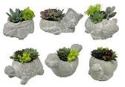 | $9.85 | 24 | $236.40
Ceramic Bunnies 4" (ND) | 92216-HS |  | $7.50 | 36 | $270.00
Ceramic Cat Oval 6" x 3" - New! | 92646-HS |  | $9.50 | 24 | $228.00
Ceramic Cat and Oval Cat Combo Half Shelf 12 Cats and 12 Oval Cats | 92738-HS |  | 12 - $8.50 12 - $9.50 | 24 pieces | $216.00
Ceramic Cat 4" (ND) | 91582-HS |  | $8.50 | 24 | $204.00
Ceramic Dog 3" (ND) | 91583-HS |  | $7.75 | 24 | $186.00
Ceramic Cat and Dog Combo Half Shelf 12 Cats and 12 Dogs | 91587-HS |  | 12 - $8.50 12 - $7.75 | 24 pieces | $195.00
Eros Pot 4.25" | 92608-HS |  | $11.95 | 16 | $191.20
Eva Face Pot 3.5" | 92604-HS |  | $7.50 | 25 | $187.50
Flower Maiden 4.5" | 92463-HS |  | $13.95 | 16 | $223.20
NEW! Owl Stoneware 4" | 92749-HS |  | $8.50 | 20 | $170.00
Gothic Skull 3.5" | 92593-HS |  | $5.50 | 20 | $110.00
Skull Planters 4" (ND) | 91586-HS |  | $7.50 | 30 | $225.00
Stoneware Alpaca 5" (ND) Assorted Teal, Coral, Green, and White | 92159-HS |  | $9.50 | 24 | $228.00
Stoneware Elephant 5" | 92605-HS |  | $9.50 | 24 | $228.00
Stoneware Hedgehog 4.75" | 92607-HS |  | $8.50 | 24 | $204.00
Stoneware Unicorn 5" (ND) Assorted Teal, Coral, Green, and White | 92160-HS |  | $9.50 | 24 | $228.00
Stoneware Animal Combo Half Shelf - 6 each Alpaca, Elephant, Hedgehog and Unicorn | 92171-HS | 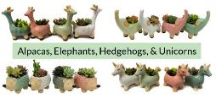 | $9.25 | 24 pieces | $222.00
Combo Planters
Ancient Art Round 2.5" | 92145-HS |  | $4.75 | 36 | $171.00
Ancient Art Round 5" x 4" | 91349-HS |  | $9.95 | 16 | $159.20
Ancient Art Combo Half Shelf - 18 - 2.5" pots and 8 - 5" pots | 92170-HS |  | 18 - $4.75 8 - $9.95 | 26 pieces | $165.10
Ancient Art Round 6.5" x 3" | 91483-HS |  | $14.00 | 9 | $126.00
Assorted 2.5" Succulent Combos | 91380-HS |  | $4.75 | 36 | $171.00
Austin Planter 3.5" - Assorted Patterns and Colors | 92185-HS |  | $7.00 | 20 | $140.00
Baris Pot - 4.5"x4" | 92212-HS |  | $7.50 | 16 | $120.00
Barn Grey Cube 4" | 92187-HS |  | $9.50 | 20 | $190.00
Bicolor Clay 4.5" | 92461-HS |  | $9.95 | 16 | $159.20
Blue Tile Round and Square 3" | 91242-HS |  | $4.75 | 36 | $171.00
Cement Round Distressed - 2.5"x2.5" | 91236-HS |  | $4.75 | 36 | $171.00
Cement Round Distressed - 4.5"x4" | 91237-HS |  | $9.95 | 16 | $159.20
Cement Round Distressed Combo Half Shelf - 18 - 2.5" pots and 8 - 4.5" pots | 91365-HS |  | 18 - $4.75 8 - $9.95 | 26 pieces | $165.10
Cement Round Distressed Bowl - 5" x 3.5" | 91303-HS |  | $12.00 | 12 | $144.00
Cement Round Distressed Bowl - 10"x4" | 91235-HS |  | $34.50 | 4 | $138.00
Circle Pot 4.5" | 92588-HS |  | $9.95 | 16 | $159.20
Daisy Bowl 6.5" | 92598-HS |  | $14.50 | 9 | $130.50
Daisy Pot 2.5" | 92599-HS |  | $4.75 | 36 | $171.00
Daisy Combo Half Shelf - 18 - 2.5" pots and 3 - 6.5" pots | 92647-HS |  | 18 - $4.75 3 - $14.50 | 21 pieces | $129.00
Diamond Pattern 5" | 92528-HS |  | $9.95 | 16 | $159.20
Dovah Pot 3.5" - 5 Assorted Patterns | 92175-HS |  | $7.50 | 25 | $187.50
Floral Pot 3" - Assorted Colors | 92181-HS |  | $4.75 | 36 | $171.00
Available March 2026 Floral Pot 4" - Assorted Colors | 92182-HS |  | $8.50 | 25 | $212.50
Greenbrier Bowl 6.5" | 92601-HS |  | $12.00 | 9 | $108.00
Heart Planter 4" | 91276-HS |  | $6.00 | 24 | $144.00
Jikka Cylinder 2.5" | 91475-HS |  | $4.75 | 36 | $171.00
Jikka Cylinder 5" | 91476-HS | 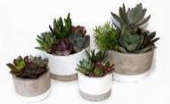 | $9.95 | 16 | $159.20
Jikka Cylinder Combo Half Shelf - 18 - 2.5" pots and 8 - 5" pots | 91477-HS |  | 18 - $4.75 8 - $9.95 | 26 pieces | $165.10
Lattice Print Cement 3.5" | 92465-HS |  | $5.95 | 25 | $148.75
Leaf Pot 3" (3 colors) | 92467-HS |  | $4.75 | 36 | $171.00
Log Bowl 6.5" | 91227-HS |  | $9.95 | 9 | $89.55
Metal Trough 15" | 92602-HS |  | $17.50 | 5 | $87.50
Odessa Pot 5" | 92527-HS |  | $9.95 | 16 | $159.20
Ribbed Glazed 6.5" - Assorted Blue & Brown Glazes | 92178-HS |  | $16.00 | 9 | $144.00
Ripple Pot 4.5" | 92496-HS |  | $9.95 | 16 | $159.20
Rock Planter 5" | 92188-HS |  | $7.50 | 16 | $120.00
Rowan Bowls 5" - Green, Blue, and Cream bands of color. | 92176-HS |  | $9.95 | 16 | $159.20
Saguaro Pot 4.5" | 92468-HS |  | $9.95 | 16 | $159.20
Saguaro Oval 10" | 92526-HS |  | $14.00 | 10 | $140.00
Saguaro Combo Half Shelf - 8 - 4.5" pots and 5 - 10" Ovals | 92648-HS |  | 8 - $9.95 5 - $14.00 | 13 pieces | $149.60
Saratoga Round 3" (ND) | 91351-HS |  | $6.50 | 36 | $234.00
Saratoga Round 5" - (ND) 6 patterns | 92781-HS |  | $9.95 | 12 | $119.40
Saratoga Round 6.5" (ND) | 91352-HS |  | $16.00 | 9 | $144.00
Saratoga Combo Half Shelf - 10 - 3" pots and 6 - 6.5" pots | 92483-HS |  | 10 - $6.50 6 - $16.00 | 16 pieces | $161.00
Scale Print Cement 3.5" | 92469-HS |  | $5.95 | 25 | $148.75
Seldon Pot 3" | 92471-HS | 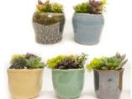 | $4.75 | 36 | $171.00
Shohin 5" Pot with Saucer - 8 assorted colors | 92698-HS |  | $8.50 | 16 | $136.00
Shohin 7" Pot with Saucer - 6 assorted colors | 92699-HS |  | $14.50 | 9 | $130.50
Striped Jar 4.5" | 92606-HS |  | $7.50 | 16 | $120.00
Terra Jar 4.5" - Succulent Combo | 92210-HS |  | $10.50 | 12 | $126.00
Tri Color Ombre 6.5" | 92215-HS |  | $12.00 | 9 | $108.00
Tri Pot Large - (ND) 8"x5.5" | 91230-HS |  | $17.50 | 9 | $157.50
Washed Tin Planter 8" | 91317-HS |  | $15.50 | 6 | $93.00
Watering Can 5" | 92232-HS |  | $9.95 | 16 | $159.20
White Oval 9" | 91563-HS |  | $15.00 | 8 | $120.00
Wooden Planter 9" | 91164-HS |  | $12.95 | 8 | $103.60
Wooden Planter 18" | 91099-HS |  | $19.95 | 4 | $79.80
 |  | Total of half shelves must be a multiple of 10 |  |  |  | 0
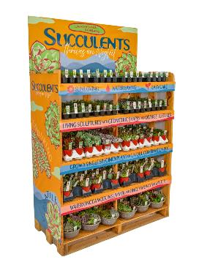
All shipments are FOB Maryville, Tennessee. All racks must ship with full shelves - 5 shelves (10 - 1/2 shelves). Minimum order is $1000.00. If combining racks with boxed items you must have a minimum of 6 boxes and the shelves on the rack still must be full. Customer must be able to accept a semi and have a forklift to unload at time of delivery. |  | Sample Succulent Display Rack |  |  |  |  | 1
Visible damage to racks or boxes must be noted with driver at time of delivery. Claims must be reported within 48 hours of receiving shipment.

Credit Card payment required in before delivery on opening orders. Net 30 is available for established accounts.
We reserve the right to substitute similar items if needed unless specififed by customer.

